Sheet1
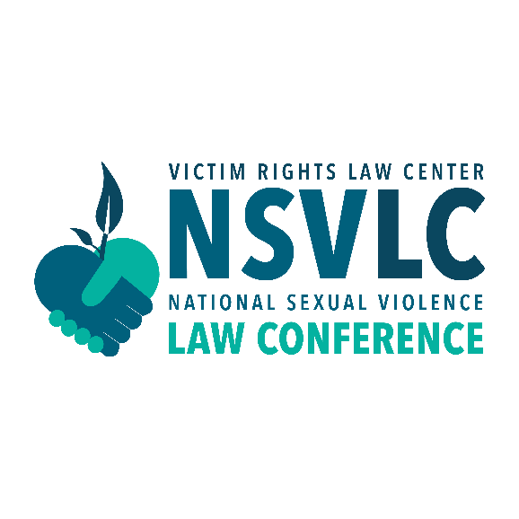 | March 9-10, 2027 New Orleans, LA Hosted by Victim Rights Law Center
Expense | Guideline | Total Cost
National Sexual Violence Law Conference | Registration: $425 - 600 per attendee, based on date of registration, with nonprofit/gov't discount.
Airfare | Check online for estimated rates.
Hotel | Sheraton New Orleans Hotel: $179 per night (in accordance with estimated 2027 federal per diem rates) Reservations must be made by September 19, 2025 to secure the federal per diem rate.
Transportation between Airport and Hotel | Check New Orleans Airport Transportation page for options and rates.
Mileage Reimbursement | If you plan to drive or rent a car, use Google Maps to calculate the distance (be sure to include round-trip), then multiply the number of miles by the current standard mileage rate, as determined by IRS.
Parking Reimbursement | At home airport, via SpotHero, or hotel. Sheraton New Orleans Hotel Valet Parking: $62.15 (as of March 2026; check hotel website for current rates)
Meals and Incidentals | March 2026 federal per diem rate for meals and incidentals in New Orleans, Louisiana, is $80 per full day and $60 on the first and last day of travel. (Confirm 2027 rate at https://www.gsa.gov/travel/plan-book/per-diem-rates)
Subtotal |  | $-
Total Number of Employees Attending
TOTAL |  | $-

